Sheet1
No | target | steps | expect | real result
1 | add account with blank parameters | 1. in account page, click "add" button 2. fill nothing just click "confirm" | The error message includes both fields | 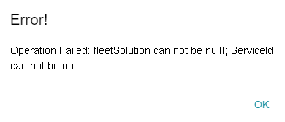
2 | add account with right parameters | 1. in account page, click "add" button 2. fill in "serviceId" with "service1" and "fleetSolution" with "fleetSolution1" just click "confirm" | THe account should be added successfully
3 | Change status of Account | 1. in account page, choose one account and click "edit" button 2. change the status to "Activated" | The status should be changed to "Activated"
4 | Create Token | 1. switch to "token" page, click "add" button 2. fill token with "123456789", choose type "RFID" 3. click "confirm" | The toke should be created successfully
5 | Assign Token to an Account | 1. in "token" page, choose one token and click "assign account" button 2. choose one account in list 3. click "confirm" | The toke should be assigned to the account successfully
6 | Change status of Token | 1. in token page, choose one token and click "edit" button 2. change the status to "Activated" 3. click "confirm" | The status should be changed to "Activated"
7 | Query Account by date time 'last_updated' with pagination | 1. create 13 accounts (1 account with different update time) 2. choose the due start datetime and end datetime 3. check the results in the 1st page 4. click "next page" button | There should be 12 in total, 2 on 2nd page

